Přepravní výkony
Konsolidovaná přepravní data použitá pro modelové výpočty TAČR MOSUMO

Přeprava cestujících po železnici
 |  |  |  |  |  |  |  |  |  |  |  | predikce přepravních výkonů TAČR MOSUMO 2024+
(mil. oskm) | 2013 | 2014 | 2015 | 2016 | 2017 | 2018 | 2019 | 2020 | 2021 | 2022 | 2023 | 2024 | 2025 | 2030 | 2035 | 2040 | 2045 | 2050
Regionální IDS | 1,018 | 1,033 | 1,058 | 1,099 | 1,235 | 1,353 | 1,429 | 1,342 | 1,629 | 2,121 | 2,858 | 3,400 | 3,600 | 3,700 | 4,000 | 4,200 | 3,900 | 4,300
Dálková vnitrostátní | 5,785 | 5,912 | 6,153 | 6,410 | 6,732 | 7,161 | 7,543 | 4,743 | 4,520 | 5,703 | 5,422 | 5,500 | 5,600 | 5,700 | 5,900 | 6,200 | 7,500 | 8,000
Mezinárodní přeprava | 797 | 852 | 1,086 | 1,334 | 1,531 | 1,771 | 1,958 | 580 | 671 | 1,675 | 1,864 | 1,900 | 2,000 | 2,100 | 2,500 | 2,600 | 3,300 | 3,700
Celkem | 7,601 | 7,796 | 8,298 | 8,843 | 9,498 | 10,286 | 10,931 | 6,665 | 6,820 | 9,499 | 10,144 | 10,800 | 11,200 | 11,500 | 12,400 | 13,000 | 14,700 | 16,000
Predikce MD ČR 2019 - celkem |  |  |  |  |  |  | 11,108 | 11,519 |  |  |  |  | 13,562 | 14,172 | 14,512 |  |  | 17,500

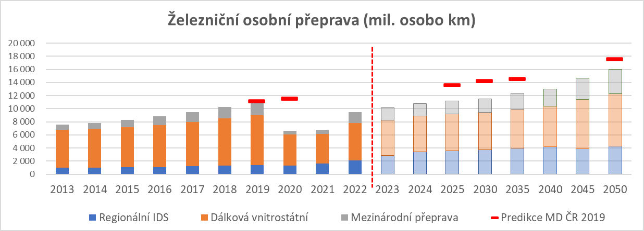

Autobusová doprava
 |  |  |  |  |  |  |  |  |  |  |  | predikce přepravních výkonů TAČR MOSUMO 2024+
(mil. oskm) | 2013 | 2014 | 2015 | 2016 | 2017 | 2018 | 2019 | 2020 | 2021 | 2022 | 2023 | 2024 | 2025 | 2030 | 2035 | 2040 | 2045 | 2050
Regionální linková | 3,556 | 3,579 | 3,615 | 3,459 | 3,457 | 3,832 | 3,566 | 2,514 | 2,583 | 3,317 | 3,511 | 3,500 | 3,600 | 3,800 | 4,100 | 4,500 | 5,000 | 5,300
Dálková linková | 2,568 | 2,631 | 2,665 | 3,150 | 3,403 | 3,035 | 3,034 | 1,107 | 870 | 2,286 | 2,556 | 2,600 | 2,700 | 3,000 | 3,200 | 3,500 | 3,700 | 4,000
Nepravidelná doprava | 2,902 | 3,800 | 3,717 | 3,648 | 4,318 | 4,083 | 3,947 | 1,824 | 1,950 | 3,624 | 3,020 | 2,800 | 2,800 | 3,000 | 3,200 | 3,500 | 3,700 | 3,900
Celkem | 9,026 | 10,010 | 9,996 | 10,257 | 11,178 | 10,950 | 10,547 | 5,444 | 5,403 | 9,227 | 9,087 | 8,900 | 9,100 | 9,800 | 10,500 | 11,500 | 12,400 | 13,200
Predikce MD ČR 2019 |  |  |  |  |  |  | 11,360 | 11,580 |  |  |  |  | 12,825 | 14,160 | 15,214 |  |  | 15,504

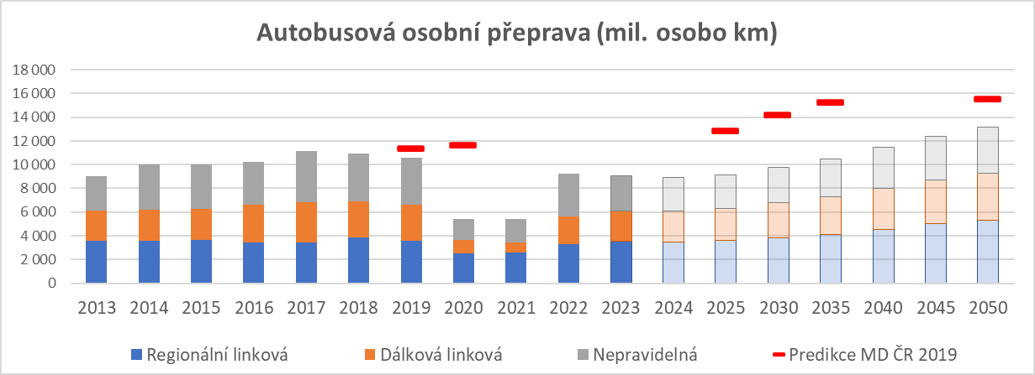

Individuální automobilová přeprava

 |  |  |  |  |  |  |  |  |  |  |  | predikce přepravních výkonů TAČR MOSUMO 2024+
(mil. oskm) | 2013 | 2014 | 2015 | 2016 | 2017 | 2018 | 2019 | 2020 | 2021 | 2022 | 2023 | 2024 | 2025 | 2030 | 2035 | 2040 | 2045 | 2050
Individ. automob. přeprava | 64,650 | 66,260 | 69,705 | 72,255 | 74,327 | 83,659 | 84,068 | 82,440 | 84,233 | 88,262 | 89,537 | 91,000 | 91,500 | 92,500 | 92,500 | 92,700 | 92,700 | 92,800
Predikce MD ČR 2019 |  |  |  |  |  |  | 79,050 | 80,200 |  |  |  |  | 85,100 | 86,732 | 89,167 |  |  | 90,436

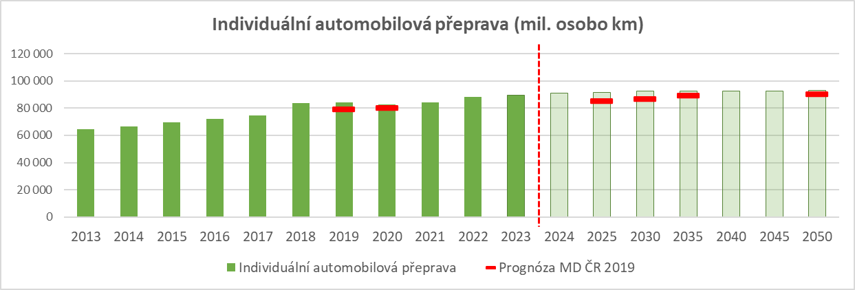

Přeprava cestujících městskou hromadnou dopravou

 |  |  |  |  |  |  |  |  |  |  |  | predikce přepravních výkonů TAČR MOSUMO 2024+
(mil. oskm) | 2013 | 2014 | 2015 | 2016 | 2017 | 2018 | 2019 | 2020 | 2021 | 2022 | 2023 | 2024 | 2025 | 2030 | 2035 | 2040 | 2045 | 2050
Trolejbusy | 989 | 972 | 856 | 869 | 838 | 857 | 912 | 775 | 743 | 847 | 879 | 920 | 950 | 1,800 | 2,000 | 2,500 | 1,500 | 3,000
Tramvaje | 4,750 | 4,720 | 4,620 | 5,070 | 4,300 | 4,280 | 4,410 | 2,095 | 2,044 | 2,543 | 2,816 | 2,900 | 3,000 | 3,500 | 4,000 | 4,500 | 5,000 | 5,500
Metro | 4,833 | 4,836 | 5,214 | 5,869 | 6,433 | 6,458 | 6,685 | 1,659 | 1,570 | 2,232 | 2,383 | 2,600 | 2,800 | 3,500 | 4,000 | 4,500 | 5,000 | 6,000
Autobusy | 5,707 | 5,741 | 5,411 | 5,584 | 6,243 | 6,315 | 6,509 | 3,149 | 2,949 | 3,366 | 3,504 | 3,550 | 3,600 | 4,200 | 4,500 | 4,600 | 5,000 | 5,500
Celkem | 16,279 | 16,269 | 16,101 | 17,392 | 17,814 | 17,909 | 18,516 | 7,679 | 7,306 | 8,988 | 9,582 | 9,970 | 10,350 | 13,000 | 14,500 | 16,100 | 16,500 | 20,000
Predikce MD ČR 2019 |  |  |  |  |  |  | 18,205 | 18,478 |  |  |  |  | 20,721 | 21,679 | 22,166 |  |  | 23,427

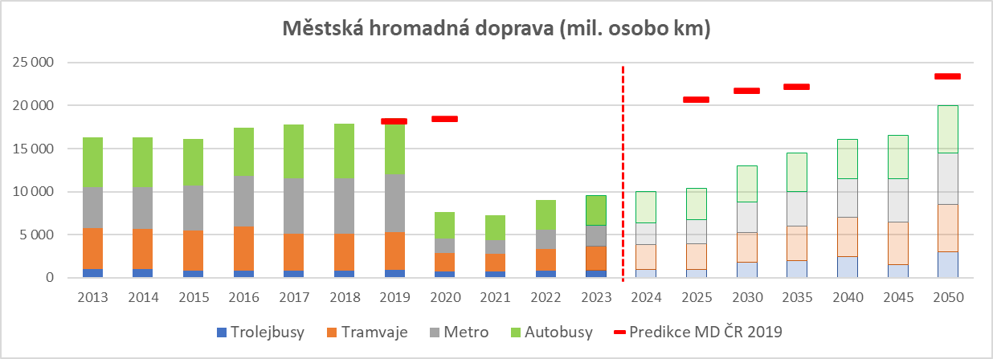

Přeprava věcí po železnici na území ČR

 |  |  |  |  |  |  |  |  |  |  |  | predikce přepravních výkonů TAČR MOSUMO 2024+
(mil. tkm) | 2013 | 2014 | 2015 | 2016 | 2017 | 2018 | 2019 | 2020 | 2021 | 2022 | 2023 | 2024 | 2025 | 2030 | 2035 | 2040 | 2045 | 2050
Vnitrostátní | 5,544 | 5,617 | 5,534 | 5,325 | 5,499 | 5,908 | 5,557 | 4,579 | 4,794 | 5,396 | 4,515 | 4,700 | 5,200 | 6,800 | 6,000 | 6,500 | 7,000 | 7,500
Mezinárodní | 8,421 | 8,957 | 9,727 | 10,293 | 10,344 | 10,656 | 10,622 | 10,671 | 11,532 | 10,971 | 10,524 | 10,600 | 11,200 | 12,000 | 12,500 | 13,500 | 14,500 | 15,500
Celkem | 13,965 | 14,574 | 15,261 | 15,619 | 15,843 | 16,564 | 16,180 | 15,251 | 16,326 | 16,368 | 15,038 | 15,300 | 16,400 | 18,800 | 18,500 | 20,000 | 21,500 | 23,000
Predikce MD ČR 2019 |  |  |  |  |  |  | 16,895 | 17,267 |  |  |  |  | 19,123 | 20,087 | 21,003 |  |  | 22,730

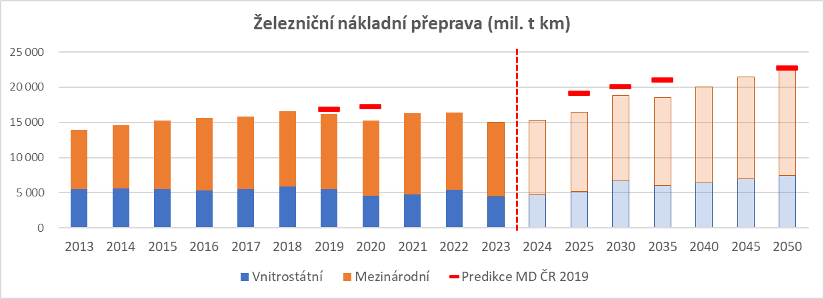

Přeprava věcí po silnici (N2+N3) na území ČR

 |  |  |  |  |  |  |  |  |  |  |  | predikce přepravních výkonů TAČR MOSUMO 2024+
(mil. tkm) | 2013 | 2014 | 2015 | 2016 | 2017 | 2018 | 2019 | 2020 | 2021 | 2022 | 2023 | 2024 | 2025 | 2030 | 2035 | 2040 | 2045 | 2050
Vnitrostátní | 15,401 | 16,820 | 21,183 | 22,304 | 21,899 | 23,543 | 25,012 | 28,271 | 29,764 | 30,762 | 28,633 | 29,500 | 30,000 | 30,500 | 33,000 | 34,500 | 36,000 | 38,000
Mezinárodní | 8,815 | 8,535 | 8,693 | 7,219 | 6,121 | 4,911 | 3,978 | 6,843 | 7,740 | 7,871 | 8,297 | 8,500 | 8,800 | 9,200 | 9,500 | 9,500 | 10,000 | 10,000
Celkem | 24,216 | 25,355 | 29,876 | 29,523 | 28,021 | 28,454 | 28,990 | 35,114 | 37,504 | 38,633 | 36,930 | 38,000 | 38,800 | 39,700 | 42,500 | 44,000 | 46,000 | 48,000
Predikce MD ČR 2019 |  |  |  |  |  |  | 35,263 | 34,312 |  |  |  |  | 34,520 | 40,485 | 42,937 |  |  | 51,083

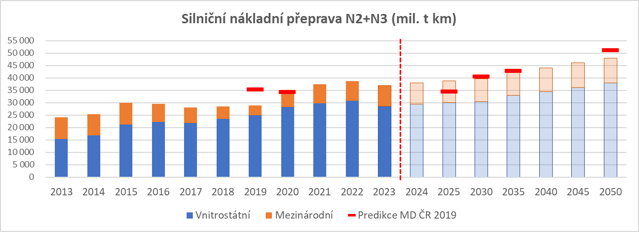

Přeprava věcí po silnici vozidly registrovanými v EU (mimo vozidel registrovaných v ČR) = tranzit (data Eurostat)

 |  |  |  |  |  |  |  |  |  |  |  | predikce přepravních výkonů TAČR MOSUMO 2024+
(mil. tkm) | 2013 | 2014 | 2015 | 2016 | 2017 | 2018 | 2019 | 2020 | 2021 | 2022 | 2023 | 2024 | 2025 | 2030 | 2035 | 2040 | 2045 | 2050
Tranzit (přepravci EU) | 11,150 | 11,652 | 12,350 | 13,895 | 15,053 | 14,998 | 16,657 | 16,596 | 17,604 | 18,935 | 19,800 | 20,500 | 21,500 | 22,000 | 22,500 | 24,000 | 25,000 | 25,000

